BOM Overview
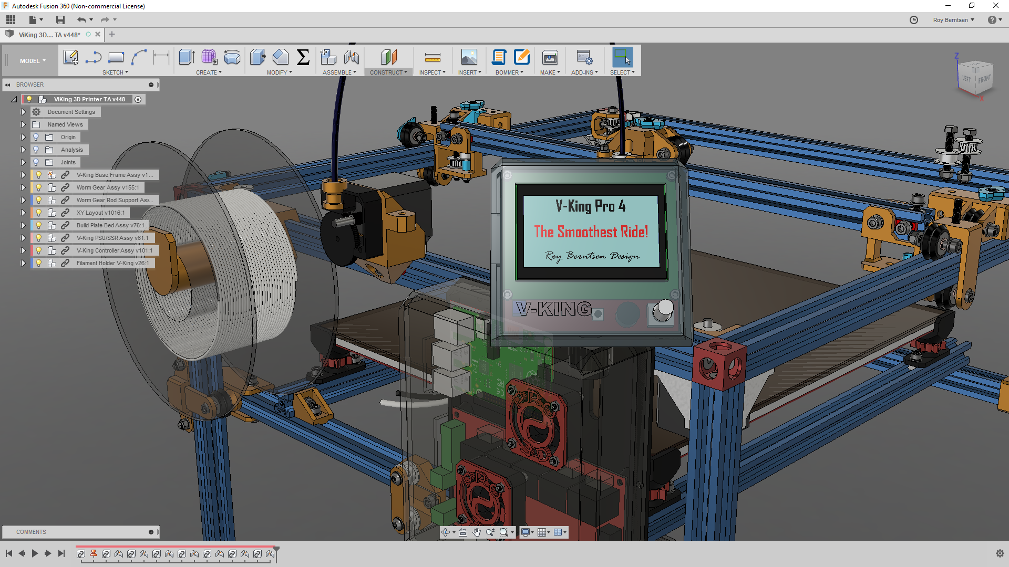
V-King Build Price Estimate
340x390x340 Build Volume
https://www.facebook.com/vking3d/

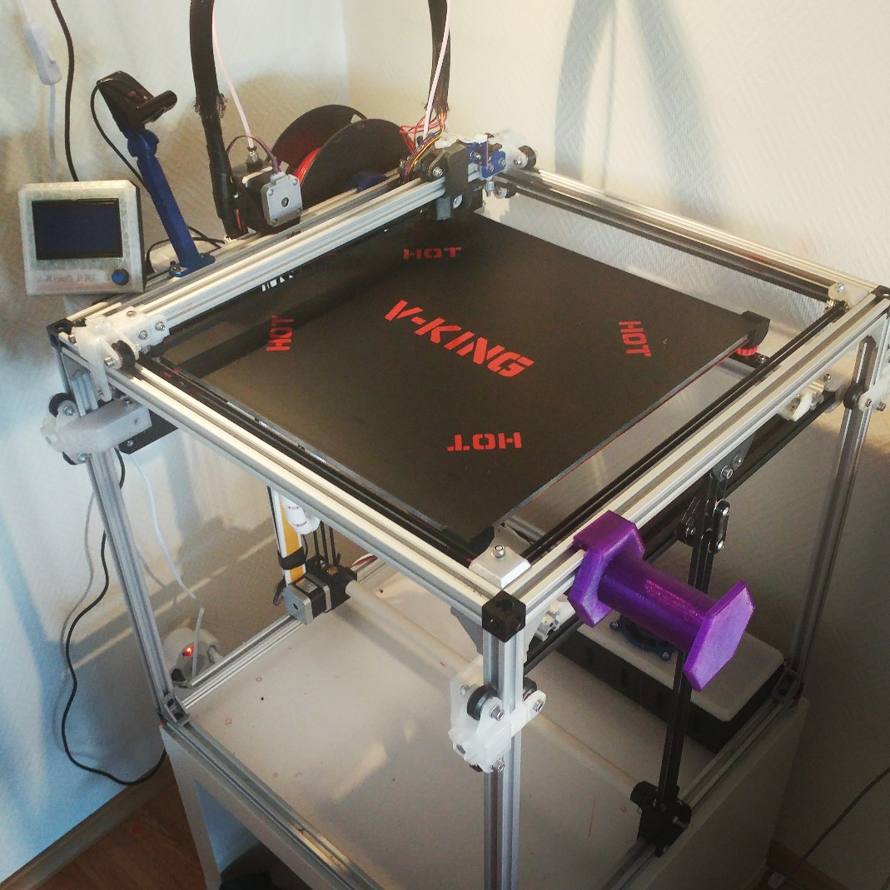
V-Slots and Wheels Standard Price: | EUR 173
Components Example Price: | EUR 308
Fastners Estimated Retail Price: | EUR 76

Sub Total Example Price | EUR 557

Research - Development & Design by:
Roy Berntsen

Component Part List
If you like to support - Buy me a coffe here:
https://www.buymeacoffee.com/pro3d
 | V-King - Other Parts to Buy
 | Click link to product supplier

Category | Part Name | Description | Order Quantity | Bulk Est. Price
Worm Gear | Worm Gear | 1:20 Worm Gear Set | 1 | 15.00
Worm Gear | Worm Gear Rod | 5mm X 565mm Steel rod | 1 | 10.00
Worm Gear | Ball Bearing 5-16-5 | Worm Gear Bearings | 10 | 4.00
Timing Parts | GT2 Idler Pulley 20T | Thoothed Idler Pulley | 10 | 15.00
Timing Parts | GT2 Idler Pulley 20NT | Smooth Pulley | 10 | 15.00
Timing Parts | GT2 Motor Pulley 20T | Thoothed Motor Pulley | 10 | 10.00
Timing Parts | GT2 Timing Belt | Reinforced Timing Belt | 10 | 10.00
Hardware | Build Plate | 350x400x6mm Aluminum | 1 | 30.00
Hardware | 2028 Corner Bracket | Corner Joint Brackets | 20 | 7.00
Component | 350*400 Silicone Heatpad | Ask for 750-1000W | 1 | 25.00
Component | Solid State Relay | SSR 40A | 1 | 4.00
Component | Optical Sensor | Optical Endstop Sensor | 6 | 3.00
Component | Nema 17 Stepper Motor | Nema 17 Stepper motor | 5 | 40.00
Component | J-Head/E3d Hotend | Hotend | 1 | 10.00 | Add Price
Component | Filament Extruder | Filament Extruder | 1 | 20.00 | Add Price
Component | BL Touch Probe | Autobed Leveling Probe | 1 | 20.00 | Add Price
Controller | MKS Gen 1.4 | Ramps Controller | 1 | 20.00
Controller | DRV 8825 | Stepper Drivers | 5 | 10.00
Controller | 12864 LCD | LCD Controller Panel | 1 | 10.00
Controller | 24V Power Supply | 240W 24V PSU | 1 | 20.00
Component | Layer Fan | Fan for filament cooling | 1 | 10.00
Estimated Component Retail Price |  |  |  | 308.00

Research, Development & Design by
Roy Berntsen

